Fuggler
Fuggler 2025-2026

Image | Item # | Description | Pack | IN | Origin | # Units | UPC | UCC | Case Size | Wt | Cube | Tie | Hi | Item Size | Item Wt
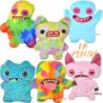 | 15733 | Fuggler 18" Bigg Fugg with hang tag - 6 asst - Series 1 | 6 |  | China | 665 | 193052087010; (1) 15733K 193052078483; (1) 15733B 193052078490; (1) 15733D 193052087027; (1) 15733L 193052087003; (1) 15733J 193052078476; (1) 15733A | 50193052087015 | 24" x 17" x 15" | 9 | 3.54 | 5 | 6 | 12" x 5" x 18" | 18
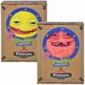 | 15701 | Spongebob 9" Fuggler Plush in window box | 12 |  | China | 6,951 | 193052073808; (6) Patrick 193052073792; (6) Spongebob | 50193052073803 | 21" x 10" x 11" | 6 | 1.33 | 8 | 8 | 7" x 2.5" x 9.5" | 7
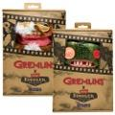 | 15710 | Fuggler 9" Gremlins in window box - Stripe & Gizmo Asst -Series 1 | 12 |  | China | 1,051 | 193052074492; (6) Gizmo 193052074485; (6) Stripe | 50193052074497 | 21" x 10" x 11" | 6 | 1.34 | 8 | 8 | 7" x 2.5" x 9.75" | 8
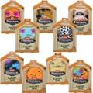 | 15731 | Fuggler 9" Peculiar Pets in window box - 8 asst - Series 1 | 12 |  | China | 990 | 193052082909; (2) 15731B orange rainbow 193052083135; (1) 15731M 193052082961; (1) 15731K 193052082930; (1) 15731G 193052082954; (1) 15731J 193052082923; (2) 15731E 193052082916; (2) 15731D 193052082893; (2) 15731A | 50193052082904 | 21" x 10" x 11" | 5 | 1.33 | 10 | 8 | 7" x 2.5" x 9.5" | 7.5
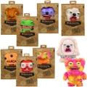 | 15714 | Fuggler 9" Vacay Vibes in window box - 7 asst - Series 1 | 12 |  | China | 2,582 | 193052074744; (2) 15714J 193052074737; (2) 15714H 193052074782; (1) 15714N 193052074751; (2) 15714K 193052074690; (2) 15714B 193052074713; (1) 15714E 193052074768; (2) 15714L | 50193052074749 | 21" x 10" x 11" | 6 | 1.34 | 10 | 8 | 7" x 2.5" x 9.5" | 8
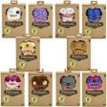 | 15708 | Fuggler 9" Gold Fuggs in window box - 10 asst - Series 1 | 12 |  | China | 1,771 | 193052074416; (2) 15708K (2) 193052074409; (2) 15708J (2) 193052074423; (1) 15780L (1) 193052074430; (1) 15708M (1) 193052074355; (1) 15708B (1) 193052074393; (1) 15708H (1) 193052074386; (1) 15708G (1) 193052074362; (1) 15708D (1) 193052074379; (1) 15708E (1) 193052074348; (1) 15708A (1) | 50193052074411 | 21" x 10" x 12" | 7 | 1.46 | 8 | 8 | 6.75" x 2.5" x 9.5" | 7
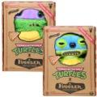 | 320151IASST | Zuru Fuggler TMNT Plush In Box Don & Leo 2 Asstd. | 4 |  | China | 2,791 | 193052074331; (2) Leonardo 193052074300; (2) Donatello | 50193052074336 | 16" x 10" x 6" | 3 | 0.55 | 17 | 9 | 7.5" x 2.5" x 9.5" | 9
 | 15707 | Fuggler 9" TMNT Fuggler in window bod - Series 1 - Leonardo & Donatello | 12 |  | China | 1,583 | 193052074300; (6) Donatello 193052074331; (6) Leonardo | 50193052074305 | 23" x 10" x 12" | 8 | 1.6 | 8 | 8 | 7.5" x 2.5" x 9.5" | 9
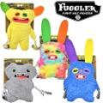 | FUG0211232FO | Zuru Fuggler Dog With Rope Toy 4 Asstd. | 16 |  | China | 31,421 | 5061078271117; | 50506107827113 | 19" x 13" x 8" | 5 | 1.14 | 10 | 7 | 6.75" x 3" x 9" | 4
 |  |  |  |  |  | 49,805

